Safety Rules Instruction
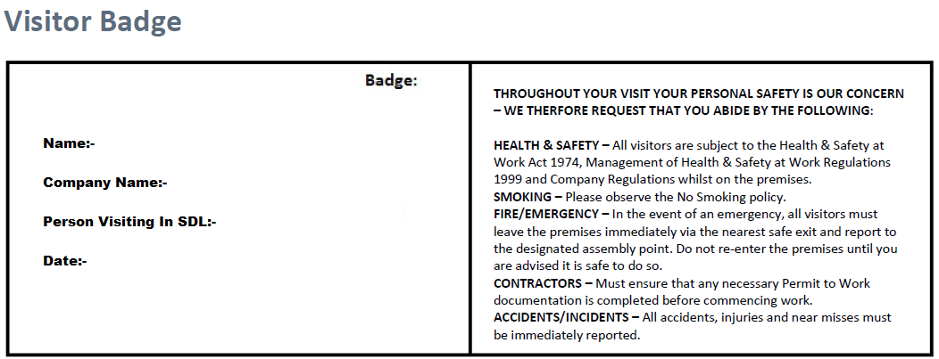

THROUGHOUT YOUR VISIT YOUR PERSONAL SAFETY IS OUR CONCERN – WE THERFORE REQUEST THAT YOU ABIDE BY THE FOLLOWING: HEALTH & SAFETY – All visitors are subject to the Health & Safety at Work Act 1974, Management of Health & Safety at Work Regulations 1999 and Company Regulations whilst on the premises. SMOKING – Please observe the No Smoking policy. FIRE/EMERGENCY – In the event of an emergency, all visitors must leave the premises immediately via the nearest safe exit and report to the designated assembly point. Do not re-enter the premises until you are advised it is safe to do so. CONTRACTORS – Must ensure that any necessary Permit to Work documentation is completed before commencing work. ACCIDENTS/INCIDENTS – All accidents, injuries and near misses must be immediately reported.

